Summary
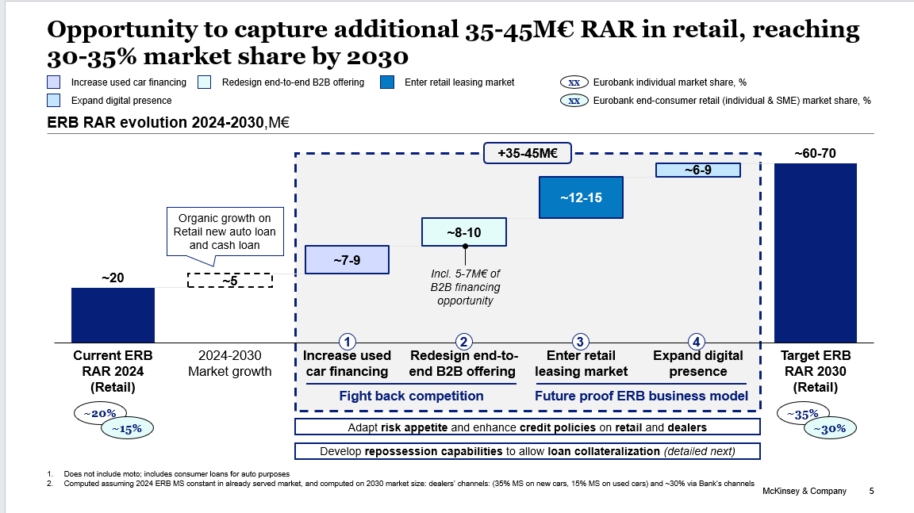

4. Expand digital presence
Expand digital presence

Average loan amount | 2024 |  |  |  |  |  | 2030
Product | New Auto | Used Auto |  |  |  |  | Product | New Auto | Used Auto
in € |  |  |  |  |  |  | in €
Auto loan | 15,000 | 9,500 |  |  |  |  | Auto loan | 17,395 | 11,017
Cash loan | 0 | 5,000 |  |  |  |  | Cash loan | 0 | 5,798
Financial lease | 25,000 | 13,000 |  |  |  |  | Financial lease | 28,992 | 15,076
Operational lease | 25,000 | 13,000 |  |  |  |  | Operational lease | 28,992 | 15,076

Eurobank RAR per car | 2024 |  |  |  |  |  | RAR per car | 2030
Product | Car type |  |  |  |  |  | Product | Car type
in € | New | Used | New | Used | Notes/ source |  | in € | New | Used | New | Used | Notes/ source
Auto loan | 982 | 1,364 | 100% | 46% | Market sizing exercise |  | Auto loan | 1,138 | 1,582 | 100% | 46% | Market sizing exercise
Cash loan | 0 | 718 | 0% | 54% | Market sizing exercise |  | Cash loan | 0 | 832 | 0% | 54% | Market sizing exercise
Financial lease | 1,750 | 963 | 0% | 0% | Market sizing exercise |  | Financial lease | 2,029 | 1,116 | 0% | 0% | Market sizing exercise
Operational lease | 3,500 | 1,925 | 100% | 100% | Market sizing exercise |  | Operational lease | 4,059 | 2,232 | 100% | 100% | Market sizing exercise

Summary of business cases
Business case | Segment | Product | Car type | Channel | Item | UoM | 2024 |  | 2030 |  |  | Notes/ source
 |  |  |  |  |  |  |  |  | Min | Max
1. Digital marketplaces | Retail | Loan | Used | B2C & C2C | RAR | €M | - |  | 3 | 4
1. Digital marketplaces | Retail | Loan | Used | B2C & C2C | o/w incremental RAR 2024-2030 | €M |  |  | 3 | 4
2. OEMs D2C opportunity | Retail | Auto loan | New and used | B2C | RAR | €M | - |  | 1 | 2
2. OEMs D2C opportunity | Retail | Auto loan | New and used | B2C | o/w incremental RAR 2024-2030 | €M | - |  | 1 | 2
3. D2C cash loan for auto | Retail | Cash loan | New and used | B2C & C2C | RAR | €M | 5 |  | 7 | 8
3. D2C cash loan for auto | Retail | Cash loan | New and used | B2C & C2C | o/w incremental RAR 2024-2030 | €M |  |  | 2 | 3
Total | Retail | Loan | Used | Total | RAR | €M | - |  | 11 | 14
Eurobank | Retail | Personal cash loan | Total | Total | o/w incremental RAR 2024-2030 | €M |  |  | 6 | 9

1. Digital marketplaces
Expand Loan availability via used cars marketplaces/ aggregators (e.g., Car.gr, Cardom)

Marketplaces: listings per channel (istant)
Marketplace | Segment | Product | Car type | Channel | Item | UoM | 2024 | % | 2030 | % |  | Notes/ source
Car.gr | Retail | Loan | Used | Total | Car listings | # k | 135 | 100% | 180 | 100%
Car.gr | Retail | Loan | Used | B2C | Car listings | # k | 75 | 56% | 100.0 | 56%
Car.gr | Retail | Loan | Used | C2C | Car listings | # k | 60 | 44% | 80.0 | 44%
Cardom | Retail | Loan | Used | B2C | Car listings | # k | 0.2 | 100% | 0.4 | 100%
Cardom | Retail | Loan | Used | Total | 2024-2030 CAGR | % |  |  | 10% |  |  | Assuming Cardom will grow double vs. Car.gr as it is a newly established marketplace

Marketplaces: listings per channel (yearly)

Marketplace | Segment | Product | Car type | Channel | Item | UoM | 2024 | % | 2030 | % |  | Notes/ source
Car.gr | Retail | Loan | Used | Total | Car listings | # k | 135 | 100% | 180 | 100% |  | Adjustment for average listing rotation is not applied, as the total number of listings includes older inventory. It is assumed that Car.gr provides a comprehensive snapshot, reflecting the entire used car market.
Car.gr | Retail | Loan | Used | B2C | Car listings | # k | 75 | 56% | 100 | 56% |  | Adjustment for average listing rotation is not applied, as the total number of listings includes older inventory. It is assumed that Car.gr provides a comprehensive snapshot, reflecting the entire used car market.
Car.gr | Retail | Loan | Used | B2C | Car listings | # k | 60 | 44% | 80 | 44% |  | Adjustment for average listing rotation is not applied, as the total number of listings includes older inventory. It is assumed that Car.gr provides a comprehensive snapshot, reflecting the entire used car market.
Cardom | Retail | Loan | Used | Total | Car listings | # k | 1 | 100% | 3 | 100%
Total | Retail | Loan | Used | Total | Car listings | #k | 136 |  | 183

Avg. listing rotation | 6 | times per year

Car.gr business case
Marketplace | Segment | Product | Car type | Channel | Item | UoM | 2024 |  | 2030 |  |  | Notes/ source

Car.gr | Retail |  | Used | Total | Cars financed | # k | 2 |  | 6.4
Car.gr | Retail |  | Used | Total | 2024 conversion rate | % | 1.5% |  | 3.6%
Car.gr | Retail |  | Used | B2C | 2030 conversion rate | % |  |  | 4.0% |  |  | Based on Mobile.de example
Car.gr | Retail |  | Used | C2C | Conversion rate | % |  |  | 3.0% |  |  | Assuming C2C conversion rate will double from 2024 to 2030
Car.gr | Retail | Auto loan | Used | B2C | Cars financed | k # | 1.1 |  | 4
Car.gr | Retail | Cash loan |  | C2C | Cars financed | k # | 0.9 |  | 2.4
Car.gr | Retail | Auto loan | Used | B2C | RAR | €M | 1.5 |  | 6.3
Car.gr | Retail | Cash loan | Used | C2C | RAR | €M | 0.6 |  | 2.0
Car.gr | Retail | Loan | Used | Total | RAR | €M | 2.2 |  | 8.3

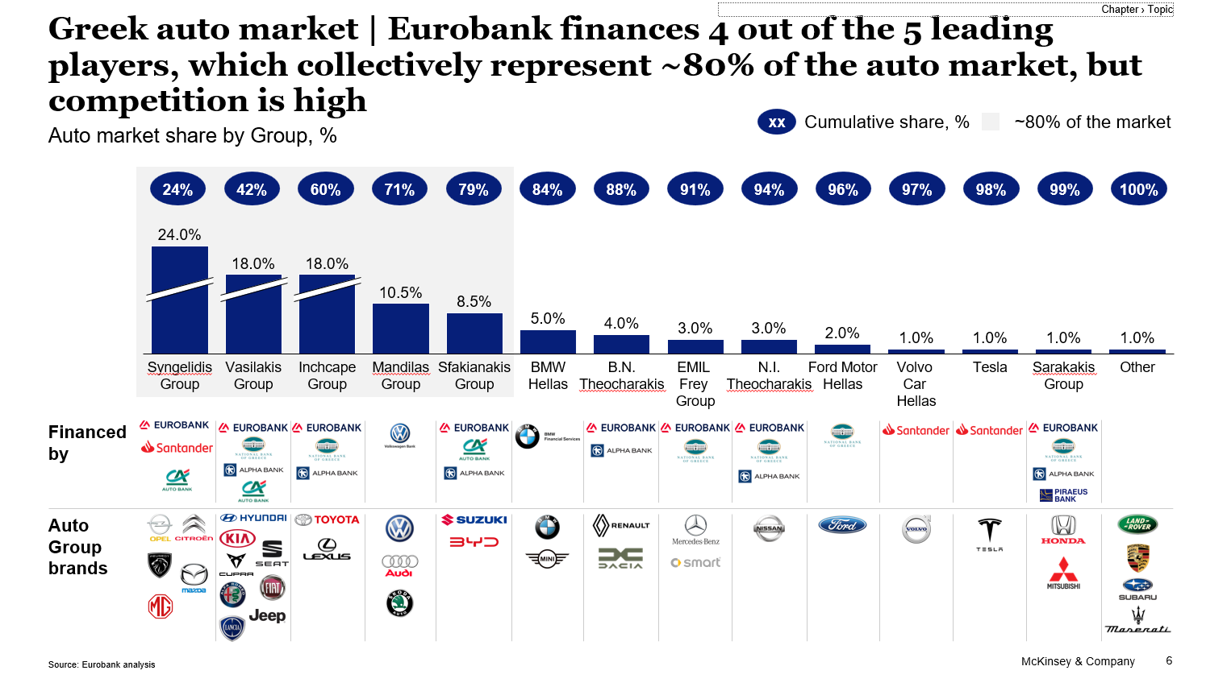
All marketplaces business case
Marketplace | Segment | Product | Car type | Channel | Item | UoM | 2024 |  | 2030 |  |  | Notes/ source
 |  |  |  |  |  |  |  |  | Min | Max
Car.gr | Retail | Auto loan | Used | B2C | Market share | % | 100% |  | 90% | 90% |  | Assuming Car.gr will have 90% of B2C market
Cardom | Retail | Auto loan | Used | B2C | Market share | % | 0% |  | 10% | 10%
Car.gr | Retail | Cash loan | Used | C2C | Market share | % | 100% |  | 100% | 100%
Total market | Retail | Auto loan | Used | B2C | RAR | €M | 1.5 |  | 7.0 | 7.0
Total market | Retail | Cash loan | Used | C2C | RAR | €M | 0.6 |  | 2.0 | 2.0
Total market | Retail | Loan | Used | Total | RAR | €M | 2.2 |  | 9.0 | 9.0
Car.gr | Retail | Auto loan | Used | B2C | ERB market share | % | 0% |  | 30% | 40%
Car.gr | Retail | Cash loan | Used | C2C | ERB market share | % | 0% |  | 30% | 35%
Cardom | Retail | Auto loan | Used | B2C | ERB market share | % | 0% |  | 30% | 40%
Car.gr | Retail | Auto loan | Used | B2C | RAR | €M | 0.0 |  | 1.9 | 2.5
Car.gr | Retail | Cash loan | Used | C2C | RAR | €M | 0.0 |  | 0.6 | 0.7
Cardom | Retail | Auto loan | Used | B2C | RAR | €M | 0.0 |  | 0.2 | 0.3
Total | Retail | Loan | Used | Total | RAR | €M | - |  | 3.0 | 4.0
Eurobank | Retail | Personal cash loan | Total | Total | o/w incremental RAR 2024-2030 | €M |  |  | 3.0 | 4.0

2. OEMs D2C opportunity
Integrate Eurobank car financing offering with OEM captives (e.g., Toyota) digital channels

OEM | Segment | Product | Car type | Channel | Item | UoM | 2024 |  | 2030 |  |  | Notes/ source
 |  |  |  |  |  |  |  |  | Min | Max
All | Retail | Auto loan | Total | Independent dealers (B2C) | RAR | €M |  |  | 75 | 75
Toyota | Retail | Auto loan | Total | Independent dealers (B2C) | Market share | % | 18% |  | 18% | 20%
Toyota | Retail | Auto loan | Total | Independent dealers (B2C) | RAR | €M | - |  | 13.5 | 15.0
Toyota | Retail | Auto loan | Total | Independent dealers (B2C) | Share of D2C | % | 0% |  | 10% | 15% |  | Assuming 10%-15% of financing of indipendent dealers will happen via D2C channels in 2030 and ERB will have an exclusive partnership with Toyota (consistent with market sizing numbers)
Toyota | Retail | Auto loan | Total | Independent dealers (B2C) | RAR | €M |  |  | 1 | 2
Eurobank | Retail | Personal cash loan | Total | Total | o/w incremental RAR 2024-2030 | €M |  |  | 1 | 2

3. D2C cash loan for auto
Offer a D2C cash loan for auto on direct channels

Bank | Segment | Loan product | Car type | Channel | Item | UdM | 2024 |  | 2030 |  |  | Notes/ source
 |  |  |  |  |  |  |  |  | Min | Max
Total | Retail | Personal cash loan | Total | Total | Consumer cash loan disbursements | €M | 695
Total | Retail | Personal cash loan | Total | Total | o/w for auto | % | 17%
Total | Retail | Personal cash loan | Total | Total | o/w for auto | €M | 118 |  |  |  |  | From ERB 2024 customer survey - it is assumed applicable to total personal cash loan market
Eurobank | Retail | Personal cash loan | Total | Total | ERB market share | % | 30% |  | 35% | 40%
Eurobank | Retail | Personal cash loan | Total | Total | Loan disbusements | €M | 35
Eurobank | Retail | Personal cash loan | Total | Total | ERB RAR | €M | 5 |  | 7 | 8
Eurobank | Retail | Personal cash loan | Total | Total | o/w incremental RAR 2024-2030 | €M |  |  | 2 | 3
Total | Retail | Personal cash loan | Total | Total | Total market RAR | €M |  |  | 20 | 20 |  | Market sizing exercise

